All Messages (Pivot Table)
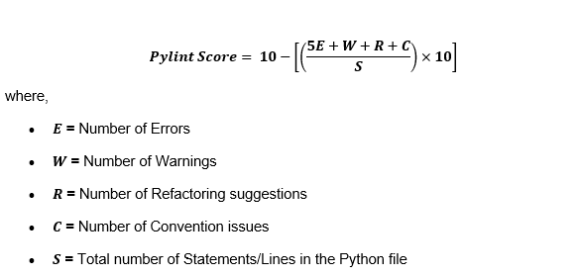
Count of Code | Column Labels
Row Labels | C0103 | C0114 | C0115 | C0116 | C0121 | C0301 | C0303 | C0411 | E0401 | R0912 | R0915 | R1702 | R1711 | R1714 | W0201 | W0221 | W0612 | W0621 | W0622 | W4701 | Grand Total | Statements | Pylint Scores | Errors | Grand Total | TM Scores
main - Copy.py | 13 | 1 | 1 | 8 | 4 | 20 | 13 | 4 | 1 | 1 | 1 | 7 | 1 | 1 | 18 | 1 | 3 | 17 | 1 | 2 | 118 | 423 | 7.12 | 1 | 118 | 7.23
main.py | 12 | 1 | 1 | 8 | 4 | 20 | 13 | 4 | 1 | 1 | 1 | 7 | 1 | 1 | 18 | 1 | 3 | 17 | 1 | 2 | 117 | 423 | 7.14 | 1 | 117 | 7.26
Grand Total | 25 | 2 | 2 | 16 | 8 | 40 | 26 | 8 | 2 | 2 | 2 | 14 | 2 | 2 | 36 | 2 | 6 | 34 | 2 | 4 | 235 |  |  | 2 | 235

